1. Title Page
[IC: Data Analysis]

Project Name: IC: Data Analysis
Date: Dec. 9th 2024
Analyst Name: Lisa Greer

Contents:
Population Flow
Consistency checks
Wrangling steps
Column derivations
Visualizations
Recommendations

Data Source:
“The Instacart Online Grocery Shopping Dataset 2017”, Accessed from www.instacart.com/datasets/grocery-shopping-2017 via Kaggle on <12/01/24>.
"Customers Data Set" provided by CareerFoundry
"Data Dictionary', Accessed from https://gist.github.com/jeremystan/c3b39d947d9b88b3ccff3147dbcf6c6b on <12/01/24>

2. Population Flow
Title page

Population flow

Exclusion flag
Condition: max_order < 5
Observations to be removed: 1,440,290
Final total count of order_products_all: 30,964,564

Orders_products_combined
Orders_products_merged
Orders_products_all

Total: 32,434,489
Total: 32,404,859
Total: 32,404,854

1.) The grey boxes in the first row of the population flow represent the original data sets as they were when you downloaded them. In the Total fields you need to add the count of the rows when you imported the data set into Jupyter.
2.) The second row of boxes (colored) represents the data sets after you manipulated them, e.g., removed missing values and duplicates. In the Total fields you need to add the count of the rows after conducting these operations. This offers a visual overview of how the data flows throughout the data consistency checks.
3.) The third row, where also the arrows are colored, represents the merges you performed between the datasets. In the Total fields you need to add the count of the rows in the merged datasets, so that you end up with the final dataset (in the red box). Keep in mind the final dataset should be without exclusions (based on the exclusion flag).

3. Consistency checks
 |  |  |  | Title page
Consistency checks

Dataset | Missing values | Missing values treatment | Duplicates
orders | in days since prior order | changed to zero | none found
products | missing values in product name (16) | deleted | duplicates removed (5)
orders_products_prior | none found | n/a | none found
customers | none found | n/a | none found

4. Wrangling steps
 |  |  |  | Title page
Wrangling steps

Columns dropped | Columns renamed | Columns' type changed | Comment/Reason
eval_set |  |  | irrelevant to analysis
_merge |  |  | unnecessary after checking merge was correct
 | order_dow to order_day_of_week |  | to make it more easily understood
 |  | order_id to string/object | the number is a representation and can't be used to calculate
 |  | user_id to string/object | the number is a representation and can't be used to calculate
 | order_hour_of_day to order_time_24hour |  | to make it more easily understood
Unnamed: 0 |  |  | column was automatically created and is irrelevant
 | product_name to prod_name |  | to create an abbreviation
 | Surname to Last Name |  | for consistency with First Name column
 |  | departments | this column was transposed so it could be merged

5. Column derivations
 |  |  |  | Title page

Column derivations and aggregations

In this tab you should add tables below that the frequences of flags/label variables that you produced after deriving them. NB: don't do this for continuous variables, only for flags.
Dataset | New column | Column/s it was derived from | Conditions
orders | busiest_day | order_number and orders_day_of_week | establishing busiest sales days 1-7
orders | busiest_days | order_number and orders_day_of_week | establishing busiest sales days in top two and bottom two
orders | busiest_period_of_day | order_number and order_time_24hour | establishing busiest sales times 0-24
orders | max_order | user_id and order_number | establishing max number of orders by each user
orders | loyalty_flag | max_order and user_id | establishing 'loyal', 'regular', and 'new' customers based on >40, <=40, and <= 10 orders
orders and products | avg_order_cost | order_cost | establishing average order cost
orders and products | spender_type | avg_order_cost and user_id | establishing 'high' and 'low' spenders based on <10 and >=10 purchase price
orders and products | customer_frequency | days_since_prior_order and user_id | establishing 'non-frequent', 'regular', and 'frequent' customers based on >20, <=20, and <= 10 days between orders
customers | region | STATES | establishing regions based on grouping states geographically
customers and products | shopper_profile | multiple columns based on specified .loc definitions | establishing types of customers based on age, income, family status, products bought, and number of dependents

6. Visualizations

 |  |  |  | Title page

Visualizations

In this tab you should include all the visualizations from Exercises 4.9 and 4.10, alongside the questions from the project brief that they answer. Include any commentary on the relationship between different variables.

Figure 1

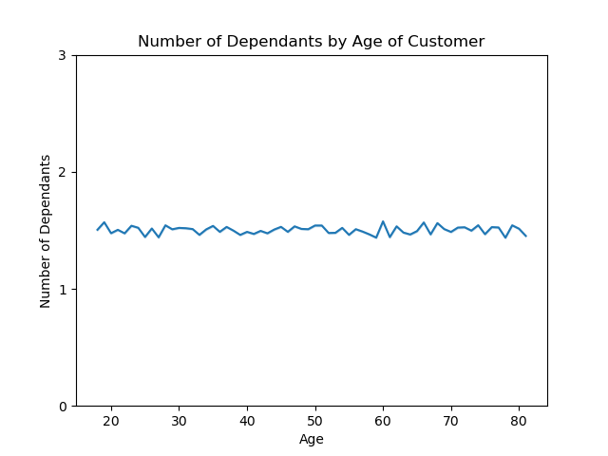

 | This chart indicates that there is little correlation between age and number of dependents.
 | The average of ~1.5 dependents is regardless of age.

Figure 2

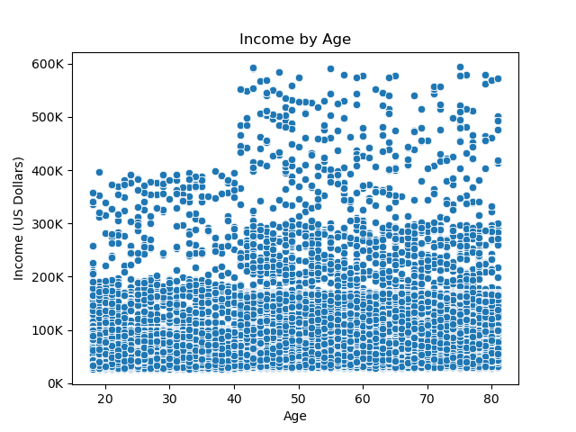

 |  | This chart indicates a strong correlation between age and income growth. Around 40 years of age
 |  | there is a significant increase in income amongst the Instacart customers.

Figure 3

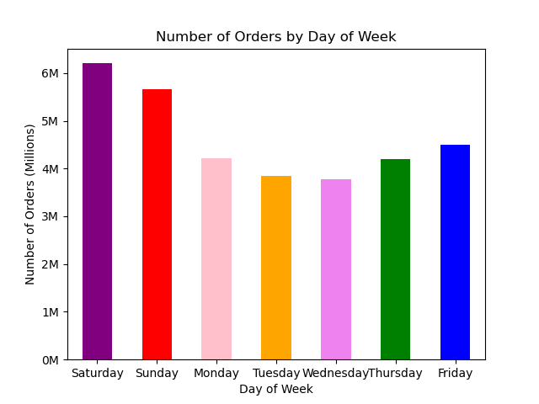

 |  | This chart indicates which days of the week are most popular for orders.
 |  | The order is as follows from most to least popular order day:
 |  | Saturday
 |  | Sunday
 |  | Friday
 |  | Monday
 |  | Thursday
 |  | Tuesday
 |  | Wednesday

Figure 4

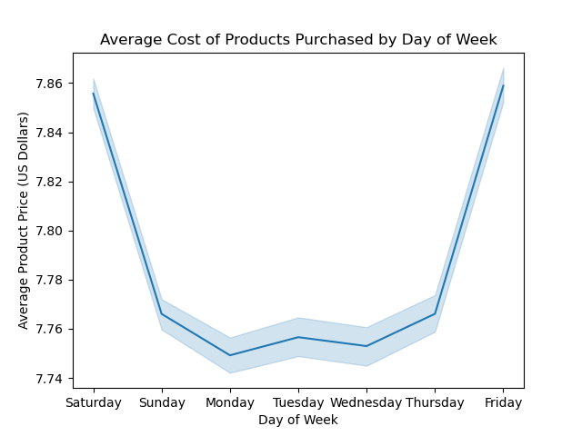
 |  | This chart evaluates if more expensive products are ordered on certain days.
 |  | The ~12 cent difference from the low end of the chart to the high end would
 |  | indicate a negligible difference in cost by day of the week.

Figure 5



 | This chart indicates that there is a significant busy period for Instacart orders. 9am to 4pm
 | would be considered busy times.

Figure 6
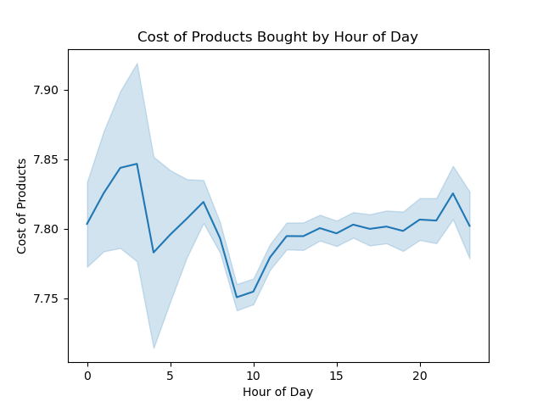

 |  | This chart evaluates if more expensive products are ordered during certain times of the day.
 |  | Like the chart above the ~12 cent difference from the low end of the chart to the high end would
 |  | indicate a negligible difference in cost by hour of the day.

Figure 7



 | This chart indicates the distribution of cost of products offered by Instacart.
 | The chart indicates most items are ~15 dollars or less.

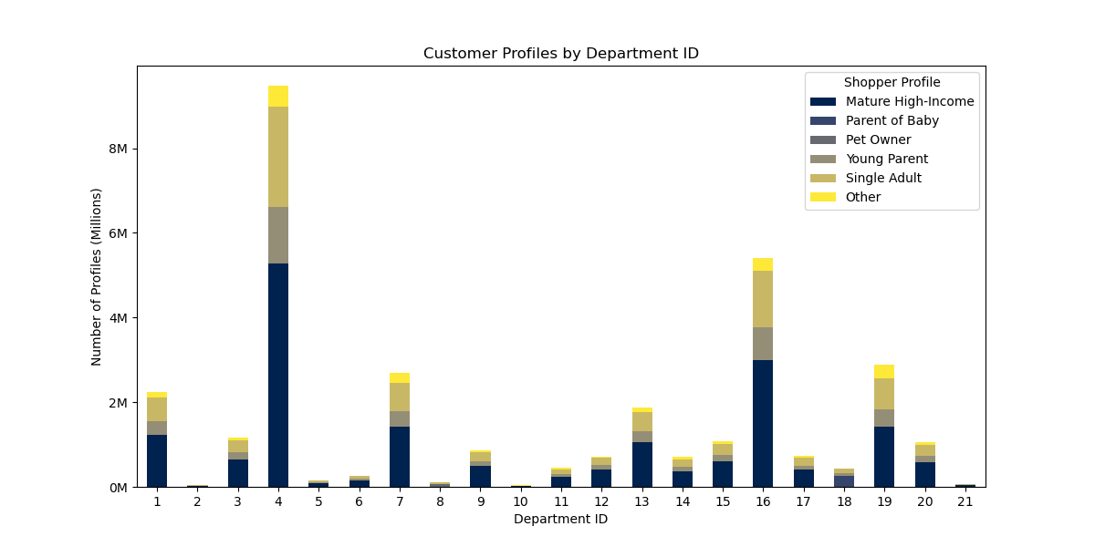
Figure 8

 |  |  | This chart indicates the types of shopper by department and the most popular departments.

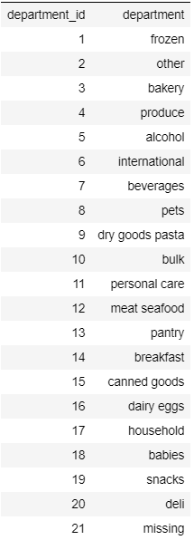

Figure 9

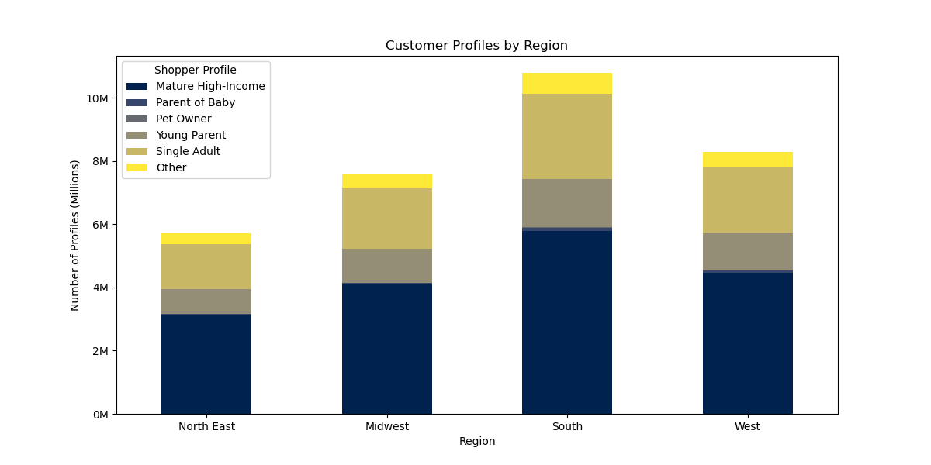

 |  |  | This chart indicates shopper type by region. It indicates shopper type is fairly
 |  |  | consistent regardless of region.

 |  |  | North East: |  | Midwest: | South: | West:
 |  |  | Maine |  | Wisconsin | Delaware | Idaho
 |  |  | New Hampshire |  | Michigan | Maryland | Montana
 |  |  | Vermont |  | Illinois | District of Columbia | Wyoming
 |  |  | Massachusetts |  | Indiana | Virginia | Nevada
 |  |  | Rhode Island |  | Ohio | West Virginia | Utah
 |  |  | Connecticut |  | North Dakota | North Carolina | Colorado
 |  |  | New York |  | South Dakota | South Carolina | Arizona
 |  |  | Pennsylvania |  | Nebraska | Georgia | New Mexico
 |  |  | New Jersey |  | Kansas | Florida | Alaska
 |  |  |  |  | Minnesota | Kentucky | Washington
 |  |  |  |  | Iowa | Tennessee | Oregon
 |  |  |  |  | Missouri | Mississippi | California
 |  |  |  |  |  | Alabama | Hawaii
 |  |  |  |  |  | Oklahoma
 |  |  |  |  |  | Texas
 |  |  |  |  |  | Arkansas
 |  |  |  |  |  | Louisiana

Figure 10

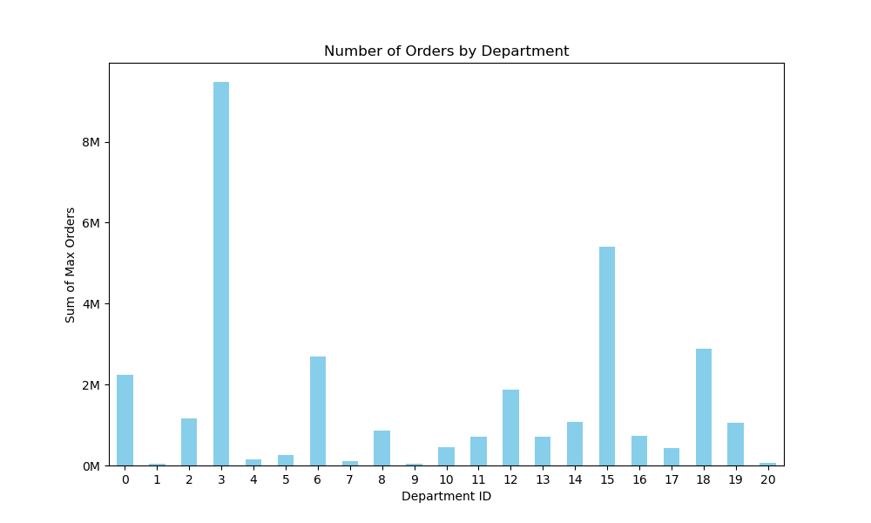

Figure 11

7. Recommendations
 |  | Title page

Recommendations

In this tab you should include any recommendations you would made to Instacart in terms of their marketing strategy based on the questions posed in the brief. Every key question has been covered in the Tasks of the Exercises - here you need to add an item - a visualization or table/crosstable that is showing the answer in the data, accompanied by a comment from you. Please, list the questions below and add the answer underneath.

Question | Answer
Key Question 1 | Busiest days of the week are Saturday, Sunday, and Friday. See Figure 3
What are the busiest days of the week and hours of the day? | Busiest times of the day are from 9am to 4pm. See Figure 5

Key Question 2 | The amount of money spend by hour of day is negligibly different hour to hour. See Figure 6
Are there particular times of the day when people spend the most money?

Key Question 3 | The majority of Instacart products are less than $15. It is a broad margin in quantity above and
What would be effective price range groupings? | below $15. Effective grouping would be greater than $15 and less than $15. See Figure 7

Key Question 4
Are certain departments more popular than others? | Certain departments are much more popular than others. By comparing total orders to department id
 | it is clear the Bakery, Canned Goods, and Babies departments are three most popular. See Figure 10
Key Question 5
Do demographics such as region of number of dependents affect sales? | It would appear that by ratio region and number of dependents do not affect sales. See Figures 1 and 9

Key Question 6 | It would appear most customers would be considered "Regular Customers", meaning most have ordered between 10-40 times.
How does customer loyalty affect sales? | Then about 33% less is "Loyal Customers" and even fewer "Newer Customers". This means
 | targeting regular customers to move them into the loyal category might be the way to go. See Figure 11

Key Question 7 | It would probably be best not to target 'pet owners', 'young low-income', and 'married with no kids' groups.
Other insights: | They make up little to no percentage of Instacart shoppers. Or perhaps this would then be a potential growth area.

